Community Profile-Background
COMMUNITY PROFILE-BACKGROUND
Provide the text from the Community Description within the plan. Figures and tables may be referenced but do not need to be included.
3.0 Community Description
This section describes the location, geography, and history; demographics; and economy of the Alakanuk community.

3.1 LOCATION, GEOGRAPHY, AND HISTORY
“Alakanuk is located at the east entrance of Alakanuk Pass, the major southern channel of the Yukon River, 15 miles from the Bering Sea (Figure 1). It is part of the Yukon Delta National Wildlife Refuge. It lies eight miles southwest of Emmonak, approximately 162 air miles northwest of Bethel at approximately 62.6871, North Latitude and ‐ 164.6216, West Longitude (Sec. 14, T030N, R082W, Seward Meridian). It is the longest village on the lower Yukon ‐ the development stretches over a three‐mile area along the Alakanuk Pass (Slough). Alakanuk is in the Bethel Recording District” (Department of Community, Commerce, and Economic Development [DCCED], Division of Community and Regional Affairs [DCRA], 2021). The community covers approximately 32.4 square (sq.) miles of land and approximately 8.7 sq. miles of water. Alakanuk falls within the transitional climate zone, characterized by tundra interspersed with boreal forests, and weather patterns of long, cold winters and shorter, warm summers. Heavy winds are frequent during the fall and winter. The Yukon River is used as an ice road during freeze‐up, from November through May. Alakanuk is a Yup'ik word meaning "wrong way," aptly applied to a village on this maze of watercourses. Alakanuk is a Yup'ik Village active in commercial fishing and subsistence. A Stateowned and managed gravel airstrip is available. Alakanuk is easily accessible from the Yukon River and Bering Sea by barge and riverboat. Most passengers and mail arrive by air. There are no roads connecting Alakanuk with other population centers in the region, but ice roads are used in winter. Snow machines and boats are used for local travel (DCCED/DCRA). The following is a brief sketch of the community’s history: 1899 First reported and mapped by G.G. Putnam of the U.S. Coast & Geodetic Survey. It was originally settled by a Yup’ik shaman named Anguksuar and his family. A Catholic mission school was built near the village. 1946 United States (U.S.) Post Office ope

3.2 Demographics
The 2010 US Census population was 677 residents. The most recent 2019 DCCED certified population is 704 of which the median age was 20.5, indicating a relatively young population. The population of Alakanuk is expected to remain steaady because 59.9% of the population is between 16 and 59 years of age. Alakanuk is recognized as a Yup'ik Eskimo community with approximately 99% of residents identifying themselves as Alaska Native. The male and female composition is approximately 52.8% and 47.2%, respectively. The 2019 American Community Survey (ACS) identified 160 occupied housing units out of a total of 179 units with the average houshold having approximately five individuals. Figure 2 illustrates the historic population of the community.

3.2 Economy
The economy of the area is seasonal in nature, such that it is generally more active in the summer than in the winter. This economic instability is one reason for such modest population growth. A limited amount of permanent employment is provided by the government and local businesses. Other primary sources of income include revenue from seasonal commercial fishing and governmental assistanc. Villagers also provide for themselves by hunting, fishing, trapping, and making native crafts. The economy in Alakanuk is primarily subsistence-based, including hunting, trapping, fishing, and gathering. Som cash income is generated by commercial fishing in the Yukon RIver and the Bering Sea during the summer. Only a few full- or part-time year-round jobs are available. Primary employers include the government, the Village Safe Water facility, the school, utilities, and local businesses. Nearly all households are represented at subsistence fish camps during the summer months (DCRA, 2021). According to the 2019 ACS, the per capita income in Alakanuk is $9,812. The median family income is $36,250, and the mean family income is $48,766. The potential work force (those aged 16 years or older) in the community was estimated to be 487, of which 269 were actively employed (ACS, 2019). Alakanuk is considered a distressed community per the 2020 Department of Labor (DOL) and WOrkforce Development, Research, and Analysis Section (Denali Commission, 2020). Figure 3 depicts a community map obtained from the DCCED/DCRA community profile.

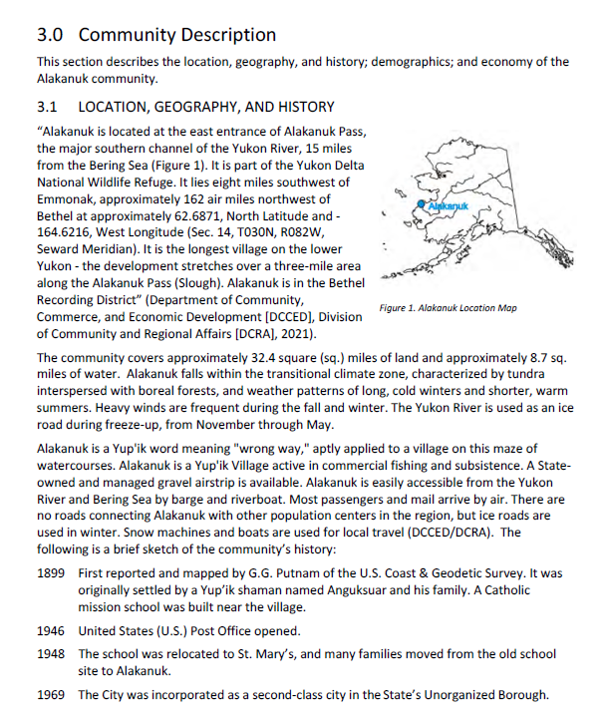
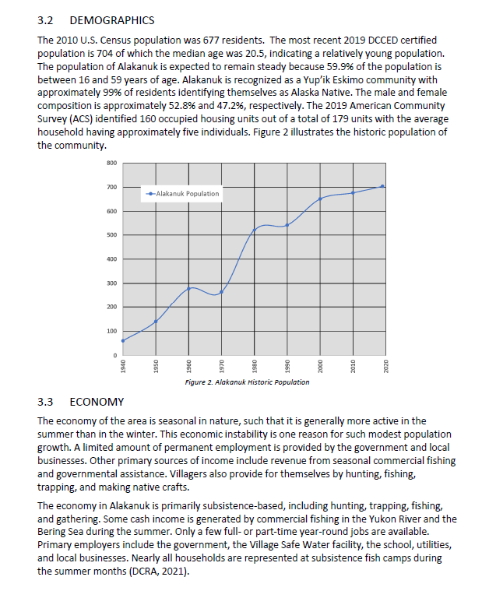

Community Hazards
COMMUNITY HAZARDS
List the hazards as defined by the community and included in the HMP, using the tables below to provide Probability and Magnitude/Severity ratings.
Natural Hazard | Probabilty | Magnitude/Severity | Hazard Narrative
Cryosphere | N/A | N/A
Earthquake | Unlikely | Limited | Periodic, unpredictable occurrences. XXXX Community did not experience damage from the November 2002 Denali Fault EQ nor the 1964 Good Friday Earthquake.
Erosion | Possible | Critical | XXXX Community has historically experienced erosion in XXXXX and XXXX areas. In XXXX community coastal scour and beach erosion threaten facilities and homes that line the beach. Erosion protection measures were undertaken by the community in 20XX with the installation of XXXX which continues to require maintenance.
Flood | N/A | N/A
Ground Failure | N/A | N/A
Weather (Severe) | N/A | N/A
Tsunami/Seiche | N/A | N/A
Volcano | N/A | N/A
Tundra/Wildland Fire | N/A | N/A
Additional Hazard 1 | N/A | N/A
Additional Hazard 2 | N/A | N/A
Additional Hazard 3 | N/A | N/A
Additional Hazard 4 | N/A | N/A
Additional Hazard 5 | N/A | N/A

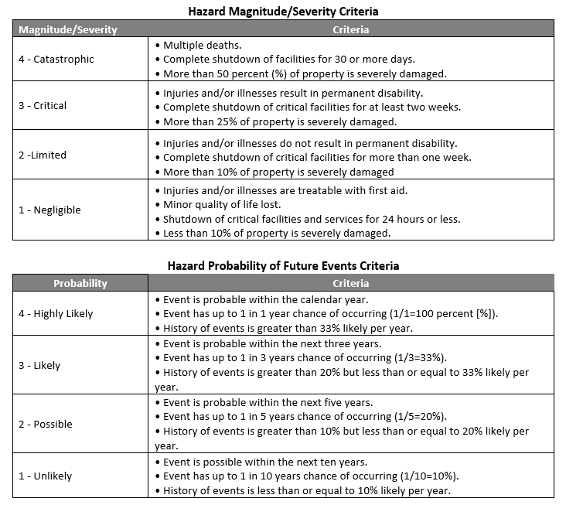

Critical Infrastructure
CRITICAL INFRASTRUCTURE
Include Critical Infrastructure, as identified by the community. Building type can be identified from table below or FEMA documents P-154 and P-155, and is preferred but optional at this time.
Community | Facility Type | Number of Occupants | Facilities | Address | Latitude | Longitude | Estimated Value | Building Type* | Building Owner | Land Owner | Cryosphere | Earthquake | Erosion | Flood | Ground Failure | Weather (Severe) | Tsunami & Seiche | Volcano | Tundra & Wildland Fire | Additional Hazard 1 | Additional Hazard 2 | Additional Hazard 3 | Additional Hazard 4 | Additional Hazard 5
Akiachak | Government | 30 | Akiachak Native Community Office | Main Street | Unknown | Unknown | 2000000 | W1 (20x60) | Private | Private |  | x | x |  | x | x |  |  | x
Akiachak | Government | 7 | Akiachak Limited Corporation Office | Main Street | Unknown | Unknown | 1000000 | W1 | City | City |  | x | x |  | x | x |  |  | x

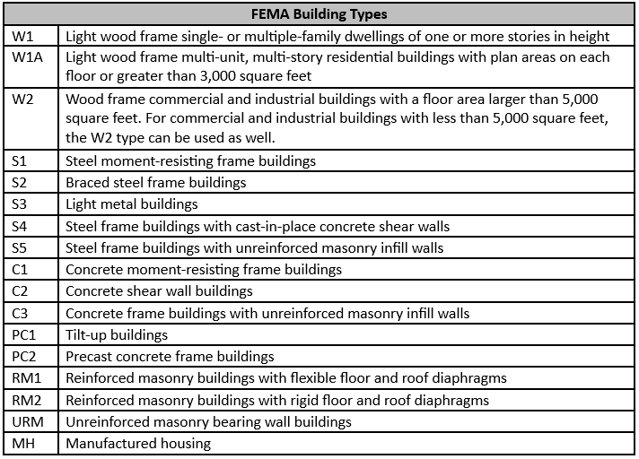

Mitigation Action Plan
EVALUATING AND PRIORITIZING MITIGATION ACTIONS
Depicts how each mitigation action will be administered by the Planning Team. The Mitigation Action Plan (MAP) details each selected mitigation action, its priority, the responsible entity, potential sources of funding, action typing, critical infrastructure associated with the action, the anticipated implementation timeline, and provides a brief explanation as to how the overall benefit/costs and technical feasibility were taken into consideration.
Action ID | Hazard | Description | Priority | Responsible Dept. | Potential Funding Sources | Action Type | Associated Critical Infrastructure | Time Frame | Benefit Costs | Other plans to include Development Action In
EQ1 | Earthquake | Evaluate critical public facilities with significant seismic vulnerabilities and complete retrofit (e.g., evaluate fire stations, public works buildings, potable water systems, wastewater systems, electric power systems, and bridges, etc.). | M | XXXX Tribal Council, City of XXXX | City, Tribe, HMA, ANA, EFSP, DEC/MGL | Structure and Infrastructure Projects | Public Safety Building, Water Treatment Plant, City office, Tribal Hall | 0-2 years | B/C: Retrofit projects can be very cost effective. Project viability depends on the cost and extent of the modifications. TF: The Tribe and City will need phase funding to obtain engineering and design expertise to determine project viability. | Comprehensive Plan, Community Plan, Strategic Management Plan

