Community Profile-Background
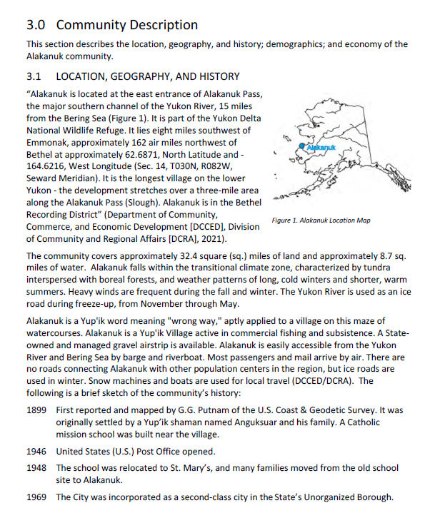
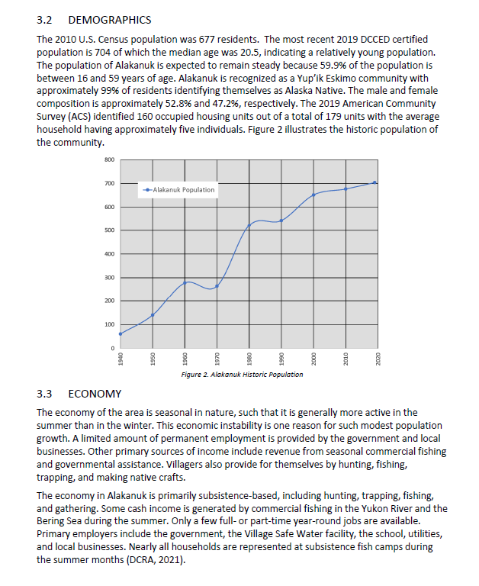

Community Hazards
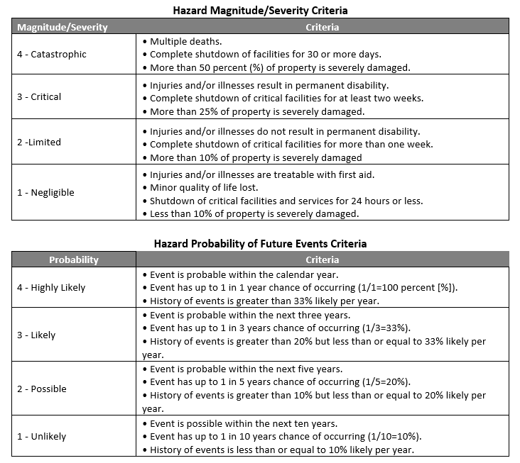
COMMUNITY HAZARDS
Natural Hazard | Probabilty | Probability Explanation | Magnitude/Severity | Magnitude/Severity Explanation | Hazard Narrative
Cryosphere | N/A |  | Negligible
Earthquake (EXAMPLE) | Unlikely | Based on previous occurrences and the criteria identified in Table X-X, it is Unlikely that XXXXX (community name) will experience a severe/damaging earthquake in the next ten years; there is a 1 in 10 years chance of occurring (1/10=10 percent); and the history of events is less than or equal to 10 percent likely per year. | Limited | Based on the magnitude and severity of recorded earthquakes in the XXXX (community name) area (Table X-X), the potential impacts to this community are Negligible with minor injuries, the potential for critical facilities to be shut down for less than 24 hours, less than 10 percent of property or critical infrastructure being severely damaged, and little to no permanent damage to transportation or infrastructure or the economy. | Periodic, unpredictable occurrences. XXXX Community did not experience damage from the November 2002 Denali Fault EQ nor the 1964 Good Friday Earthquake.
Flood/Erosion | Possible |  | Critical |  | EXAMPLE: XXXX Community has historically experienced erosion in XXXXX and XXX areas. In XXX community coastal scour and beach erosion threaten facilities and homes that line the beach. Erosion protection measures were undertaken by the community in 20XX with the installation of XXX which continues to require maintenance.
Ground Failure | Highly Likely |  | N/A
Weather (Severe) | N/A |  | N/A
Tsunami/Seiche | N/A |  | N/A
Volcano | N/A |  | N/A
Tundra/Wildland Fire | N/A |  | N/A

Mitigation Action Plan
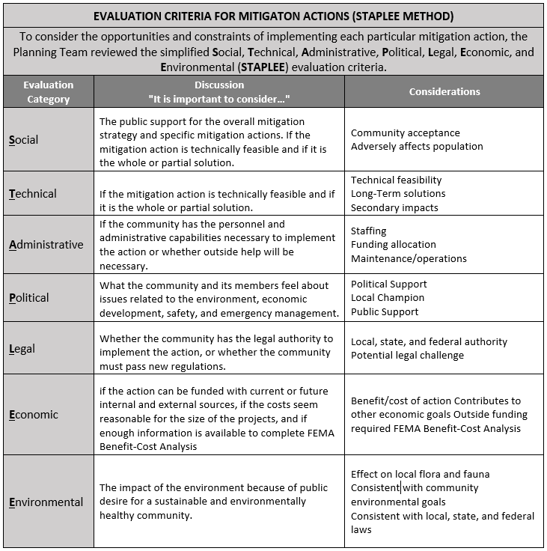
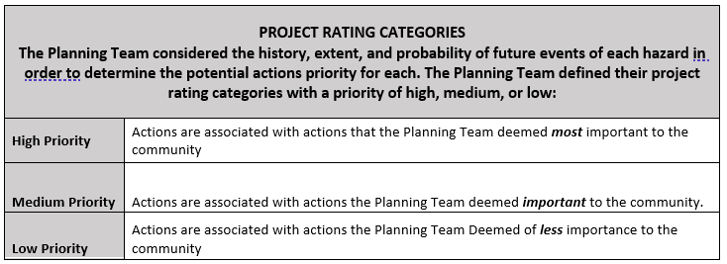
EVALUATING AND PRIORITIZING MITIGATION ACTIONS
(Depicts how each mitigation action will be administered by the Planning Team. The Mitigation Action Plan (MAP) details each selected mitigation action, its priorities, the responsible entity, the anticipated implementation timeline, and provides a brief explanation as to how the overall benefit/costs and technical feasiblity were taken into consideration.)
 | Action ID | Description | Priority | Responsible Dept. | Potential Funding Sources | Time Frame | Benefit Costs | Other plans to include Development Action In
EXAMPLE | EQ | Evaluate critical public facilities with significant seismic vulnerabilities and complete retrofit (e.g., evaluate fire stations, public works buildings, potable water systems, wastewater systems, electric power systems, and bridges, etc.). | M | XXX Tribal Council, City of XXX | City, Tribe, HMA, ANA, EFSP, DEC/MGL | 2-4 years | B/C: Retrofit projects can be very cost effective. Project viability depends on the cost and extent of the modifications. TF: The Tribe and City will need phase funding to obtain engineering and design expertise to determine project viability. | Comprehensive Plan, Community Plan, Strategic Management Plan

